Doughnut Info
Category |  |  | Donut | Image | Price | Cost to make | Pricing Classification | Class | Description
Cake | 1 | 2 | Chocolate Iced Traditional Cake | 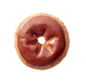 | $1.89 | $0.26 | Non-Specialty | C | Traditional cake doughnut topped with chocolate icing | Chocolate Iced Traditional Cake{itemNumber::1||Prices::1.89||Group::2||state::1||image::d.png||description::This is my description text!}
 | 2 | 2 | Cinnamon Sugar Traditional Cake | 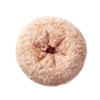 | $1.89 | $0.25 | Non-Specialty | C | Traditional cake doughnut rolled in cinnamon and powdered sugar | Cinnamon Sugar Traditional Cake{itemNumber::2||Prices::1.89||Group::2||state::1||image::d.png||description::This is my description text!}
 | 3 | 2 | Glazed Blueberry Cake | 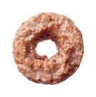 | $1.89 | $0.23 | Non-Specialty | C | Glazed blueberry old-fashioned cake doughnut | Glazed Blueberry Cake{itemNumber::3||Prices::1.89||Group::2||state::1||image::d.png||description::This is my description text!}
 | 4 | 2 | Glazed Sour Cream Cake | 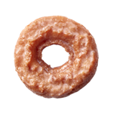 | $1.89 | $0.21 | Non-Specialty | C | Glazed vanilla old-fashioned cake doughnut | Glazed Sour Cream Cake{itemNumber::4||Prices::1.89||Group::2||state::1||image::d.png||description::This is my description text!}
 | 5 | 2 | Traditional Cake |  | $1.89 | $0.22 | Non-Specialty | C | Traditional cake doughnut | Traditional Cake{itemNumber::5||Prices::1.89||Group::2||state::1||image::d.png||description::This is my description text!}
 | 6 | 2 | Glazed Chocolate Cake | 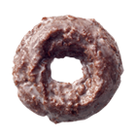 | $1.89 | $0.22 | Non-Specialty | C | Glazed chocolate old-fashioned cake doughnut | Glazed Chocolate Cake{itemNumber::6||Prices::1.89||Group::2||state::1||image::d.png||description::This is my description text!}
 | 7 | 2 | Powdered Traditional Cake | 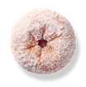 | $1.89 | $0.25 | Non-Specialty | C | Traditional cake doughnut rolled in powdered sugar | Powdered Traditional Cake{itemNumber::7||Prices::1.89||Group::2||state::1||image::d.png||description::This is my description text!}
 | 8 | 2 | Glazed Cruller | 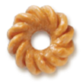 | $1.89 | $0.18 | Non-Specialty | C | Glazed vanilla cake cruller doughnut | Glazed Cruller{itemNumber::8||Prices::1.89||Group::2||state::1||image::d.png||description::This is my description text!}
 | 9 | 2 | Red Velvet Cake |  | $2.29 | $0.36 | Specialty | C | Red Velvet cake doughnut topped with cream cheese icing and red velvet cake crumbles | Red Velvet Cake{itemNumber::9||Prices::2.29||Group::2||state::1||image::d.png||description::This is my description text!}
Filled | 10 | 5 | Chocolate Iced Kreme Filled | 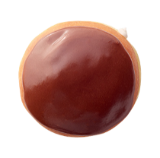 | $2.09 | $0.39 | Non-Specialty | C | Filled with Kreme filling and topped with chocolate icing | Chocolate Iced Kreme Filled{itemNumber::10||Prices::2.09||Group::5||state::1||image::d.png||description::This is my description text!}
 | 11 | 5 | Chocolate Iced Custard Filled | 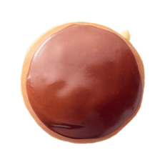 | $2.09 | $0.24 | Non-Specialty | C | Filled with custard filling and topped with chocolate icing | Chocolate Iced Custard Filled{itemNumber::11||Prices::2.09||Group::5||state::1||image::d.png||description::This is my description text!}
 | 12 | 5 | Glazed Raspberry Filled | 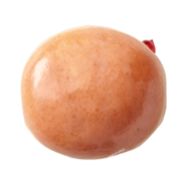 | $2.09 | $0.22 | Non-Specialty | C | Glazed and filled with raspberry jelly | Glazed Raspberry Filled{itemNumber::12||Prices::2.09||Group::5||state::1||image::d.png||description::This is my description text!}
 | 13 | 5 | Glazed Kreme Filled | 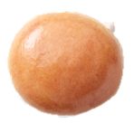 | $2.09 | $0.22 | Non-Specialty | C | Glazed and filled with Kreme | Glazed Kreme Filled{itemNumber::13||Prices::2.09||Group::5||state::1||image::d.png||description::This is my description text!}
 | 14 | 5 | Original Filled Original Kreme | 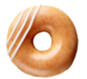 | $2.09 | $0.21 | Non-Specialty | C | Original Glazed doughnut filled with classic White Kreme and decorated with an icing drizzle | Original Filled Original Kreme{itemNumber::14||Prices::2.09||Group::5||state::1||image::d.png||description::This is my description text!}
 | 15 | 5 | Original Filled Chocolate Kreme | 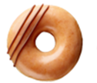 | $2.09 | $0.21 | Non-Specialty | C | Original Glazed doughnut filled with Chocolate Kreme and decorated with a chocolate icing drizzle | Original Filled Chocolate Kreme{itemNumber::15||Prices::2.09||Group::5||state::1||image::d.png||description::This is my description text!}
 | 16 | 5 | Oreo Cookies & Kreme Filled | 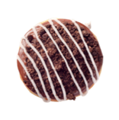 | $2.29 | $0.37 | Specialty | C | Filled with OREO Cookies and Kreme filling, dipped in dark chocolate icing and topped with OREO cookie pieces | Oreo Cookies & Kreme Filled{itemNumber::16||Prices::2.29||Group::5||state::1||image::d.png||description::This is my description text!}
 | 17 | 5 | Chocolate Iced Raspberry Filled | 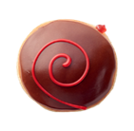 | $2.09 | $0.27 | Non-Specialty | C | Filled with raspberry jelly and topped with chocolate icing and a red icing swirl | Chocolate Iced Raspberry Filled{itemNumber::17||Prices::2.09||Group::5||state::1||image::d.png||description::This is my description text!}
 | 18 | 5 | New York Cheesecake Filled | 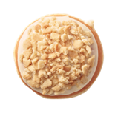 | $2.29 | $0.36 | Specialty | C | Filled with cheesecake filling and topped with cream cheese icing and graham crumbles | New York Cheesecake Filled{itemNumber::18||Prices::2.29||Group::5||state::1||image::d.png||description::This is my description text!}
 | 19 | 5 | Cake Batter Filled |  | $2.29 | $0.30 | Specialty | C | Filled with cake batter Kreme, topped with yellow icing and confetti sprinkles | Cake Batter Filled{itemNumber::19||Prices::2.29||Group::5||state::1||image::d.png||description::This is my description text!}
 | 20 | 5 | Classic Reese's Filled | 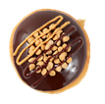 | $2.29 | $0.43 | Specialty | C | Filled with Reese's Peanut Butter Kreme, topped with Hershey's chocolate icing, mini peanut butter chips and a drizzle of chocolate and Reese's peanut butter sauce | Classic Reese's Filled{itemNumber::20||Prices::2.29||Group::5||state::1||image::d.png||description::This is my description text!}
 | 21 | 5 | Glazed Lemon Filled | 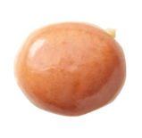 | $2.09 | $0.25 | Non-Specialty | C | Glazed and filled with lemon jelly | Glazed Lemon Filled{itemNumber::21||Prices::2.09||Group::5||state::1||image::d.png||description::This is my description text!}
 | 22 | 5 | Brownie Batter Filled | 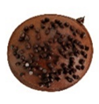 | $2.29 | $0.36 | Specialty | C | Filled with brownie batter filling and topped with chocolate icing and mini chocolate chips | Brownie Batter Filled{itemNumber::22||Prices::2.29||Group::5||state::1||image::d.png||description::This is my description text!}
 | 23 | 5 | Chocolate Kreme Pie | 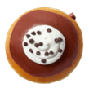 | $2.29 | $0.30 | Specialty | C | Filled with silky chocolate Kreme, dipped in chocolate icing, topped with a dollop of Kreme and finished with mini-chocolate chips | Chocolate Kreme Pie{itemNumber::23||Prices::2.29||Group::5||state::1||image::d.png||description::This is my description text!}
 | 24 | 5 | Cinnamon Apple Filled | 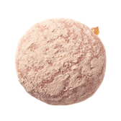 | $2.09 | $0.21 | Non-Specialty | C | Filled with cinnamon apple filling and rolled in cinnamon and powdered sugar | Cinnamon Apple Filled{itemNumber::24||Prices::2.09||Group::5||state::1||image::d.png||description::This is my description text!}
 | 25 | 5 | Double Dark Chocolate Filled | 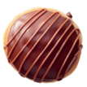 | $2.29 | $0.29 | Specialty | C | Filled with chocolate Kreme filling and topped with dark chocolate icing and milk chocolate drizzle | Double Dark Chocolate Filled{itemNumber::25||Prices::2.29||Group::5||state::1||image::d.png||description::This is my description text!}
 | 26 | 5 | Dulce De Leche Filled | 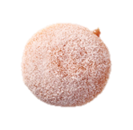 | $2.29 | $0.25 | Specialty | C | Filled with dulce de leche filling and rolled in granulated sugar | Dulce De Leche Filled{itemNumber::26||Prices::2.29||Group::5||state::1||image::d.png||description::This is my description text!}
 | 27 | 5 | Biscoff Cookie Butter Kreme Filled |  | $2.29 | $0.33 | Specialty | C | Filled with Biscoff Cookie Butter Kreme, dipped in Biscoff Cookie Butter icing and topped with a dark chocolate icing swirl and Biscoff Crumble | Biscoff Cookie Butter Kreme Filled{itemNumber::27||Prices::2.29||Group::5||state::1||image::d.png||description::This is my description text!}
Light & fluffy | 28 | 1 | Original Glazed | 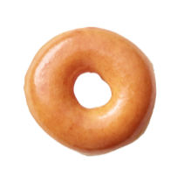 | $1.69 | $0.12 | Non-Specialty | D | Glazed yeast-raised ring doughnut | Original Glazed{itemNumber::28||Prices::1.69||Group::1||state::1||image::d.png||description::This is my description text!}
 | 29 | 1 | Chocolate Iced Glazed | 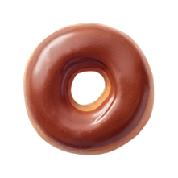 | $1.89 | $0.17 | Non-Specialty | C | Original Glazed doughnut topped with chocolate icing | Chocolate Iced Glazed{itemNumber::29||Prices::1.89||Group::1||state::1||image::d.png||description::This is my description text!}
 | 30 | 1 | Chocolate Iced With Sprinkles | 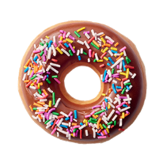 | $1.89 | $0.26 | Non-Specialty | C | Original Glazed doughnut topped with chocolate icing and sprinkles | Chocolate Iced With Sprinkles{itemNumber::30||Prices::1.89||Group::1||state::1||image::d.png||description::This is my description text!}
 | 31 | 1 | Strawberry Iced With Sprinkles |  | $1.89 | $0.28 | Non-Specialty | C | Original Glazed doughnut topped with strawberry icing and sprinkles | Strawberry Iced With Sprinkles{itemNumber::31||Prices::1.89||Group::1||state::1||image::d.png||description::This is my description text!}
 | 32 | 1 | Maple Iced Glazed | 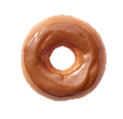 | $1.89 | $0.16 | Non-Specialty | C | Original Glazed doughnut topped with maple icing | Maple Iced Glazed{itemNumber::32||Prices::1.89||Group::1||state::1||image::d.png||description::This is my description text!}
 | 33 | 1 | Cinnamon Sugar | 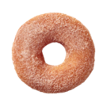 | $1.89 | $0.14 | Non-Specialty | C | Yeast-raised ring rolled in cinnamon and granulated sugar | Cinnamon Sugar{itemNumber::33||Prices::1.89||Group::1||state::1||image::d.png||description::This is my description text!}
 | 34 | 1 | Hershey's Cookies and Kreme | 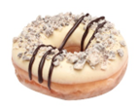 | $2.29 | No cost provided | Specialty | C | Original Glazed doughnut dipped in white chocolate icing and topped with Hershey's Cookies 'n' Kreme crumbles and a chocolate drizzle | Hershey's Cookies and Kreme{itemNumber::34||Prices::2.29||Group::1||state::1||image::d.png||description::This is my description text!}
 | 35 | 1 | Strawberry Iced Glazed |  | $1.89 | $0.20 | Non-Specialty | C | Original Glazed doughnut topped with strawberry icing | Strawberry Iced Glazed{itemNumber::35||Prices::1.89||Group::1||state::1||image::d.png||description::This is my description text!}
Mini | 36 | 3 | Mini Original Glazed |  | $2.49 (for 2) | $0.18 (for 1) | Mini | B | Glazed yeast-raised ring doughnut | Mini Original Glazed{itemNumber::36||Prices::$2.49 (for 2)||Group::3||state::1||image::d.png||description::This is my description text!}
 | 37 | 3 | Mini Chocolate Iced With Sprinkles |  | $2.49 (for 2) | $0.26 (for 1) | Mini | B | Original Glazed doughnut topped with chocolate icing and sprinkles | Mini Chocolate Iced With Sprinkles{itemNumber::37||Prices::$2.49 (for 2)||Group::3||state::1||image::d.png||description::This is my description text!}
 | 38 | 3 | Mini Chocolate Iced Glazed |  | $2.49 (for 2) | $0.32 (for 1) | Mini | B | Original Glazed doughnut topped with chocolate icing | Mini Chocolate Iced Glazed{itemNumber::38||Prices::$2.49 (for 2)||Group::3||state::1||image::d.png||description::This is my description text!}
 | 39 | 3 | Mini Strawberry Iced With Sprinkles |  | $2.49 (for 2) | $0.28 (for 1) | Mini | B | Original Glazed doughnut topped with strawberry icing and sprinkles | Mini Strawberry Iced With Sprinkles{itemNumber::39||Prices::$2.49 (for 2)||Group::3||state::1||image::d.png||description::This is my description text!}
 | 40 | 3 | Mini Cinnamon Sugar |  | $2.49 (for 2) | $0.24 (for 1) | Mini | B | Yeast-raised ring rolled in cinnamon and granulated sugar | Mini Cinnamon Sugar{itemNumber::40||Prices::$2.49 (for 2)||Group::3||state::1||image::d.png||description::This is my description text!}
 | 41 | 3 | Mini Cookies n’ Cream |  | $2.49 (for 2) | No cost provided | Mini |  | Original Glazed doughnut topped with vanilla icing and Oreo cookie crumbles | Mini Cookies n’ Cream{itemNumber::41||Prices::$2.49 (for 2)||Group::3||state::1||image::d.png||description::This is my description text!}
 | 42 | 3 | Mini Smiley |  | $2.49 (for 2) | $0.40 (for 1) | Mini | B | Original Glazed doughnut topped with yellow icing and a chocolate icing smile | Mini Smiley{itemNumber::42||Prices::$2.49 (for 2)||Group::3||state::1||image::d.png||description::This is my description text!}
Shaped | 43 | 4 | Glazed Cinnamon Roll | 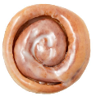 | $2.89 | $0.18 | Specialty+ | A | Glazed yeast-raised dough rolled with cinnamon | Glazed Cinnamon Roll{itemNumber::43||Prices::2.89||Group::4||state::1||image::d.png||description::This is my description text!}
 | 44 | 4 | Cinnamon Twist | 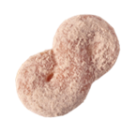 | $1.89 | $0.17 | Non-Specialty | C | Yeast-raised doughnut twist rolled in cinnamon sugar | Cinnamon Twist{itemNumber::44||Prices::1.89||Group::4||state::1||image::d.png||description::This is my description text!}
 | 45 | 4 | Chocolate Iced Bar |  | $2.89 | $0.18 | Specialty+ | A | Yeast-raised rectangular bar doughnut topped with chocolate icing | Chocolate Iced Bar{itemNumber::45||Prices::2.89||Group::4||state::1||image::d.png||description::This is my description text!}
 | 46 | 4 | Double Chocolate Éclair | 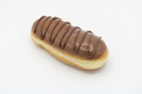 | $2.89 | $0.32 | Specialty+ | A | Yeast-raised éclair doughnut filled with chocolate Kreme and topped with chocolate icing and a dark chocolate drizzle | Double Chocolate Éclair{itemNumber::46||Prices::2.89||Group::4||state::1||image::d.png||description::This is my description text!}
 | 47 | 4 | Apple Fritter | 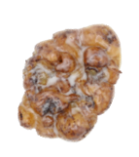 | $2.89 | $0.48 | Specialty+ | A | Glazed fritter with chunks of apple and cinnamon swirls | Apple Fritter{itemNumber::47||Prices::2.89||Group::4||state::1||image::d.png||description::This is my description text!}

